Test Case 10
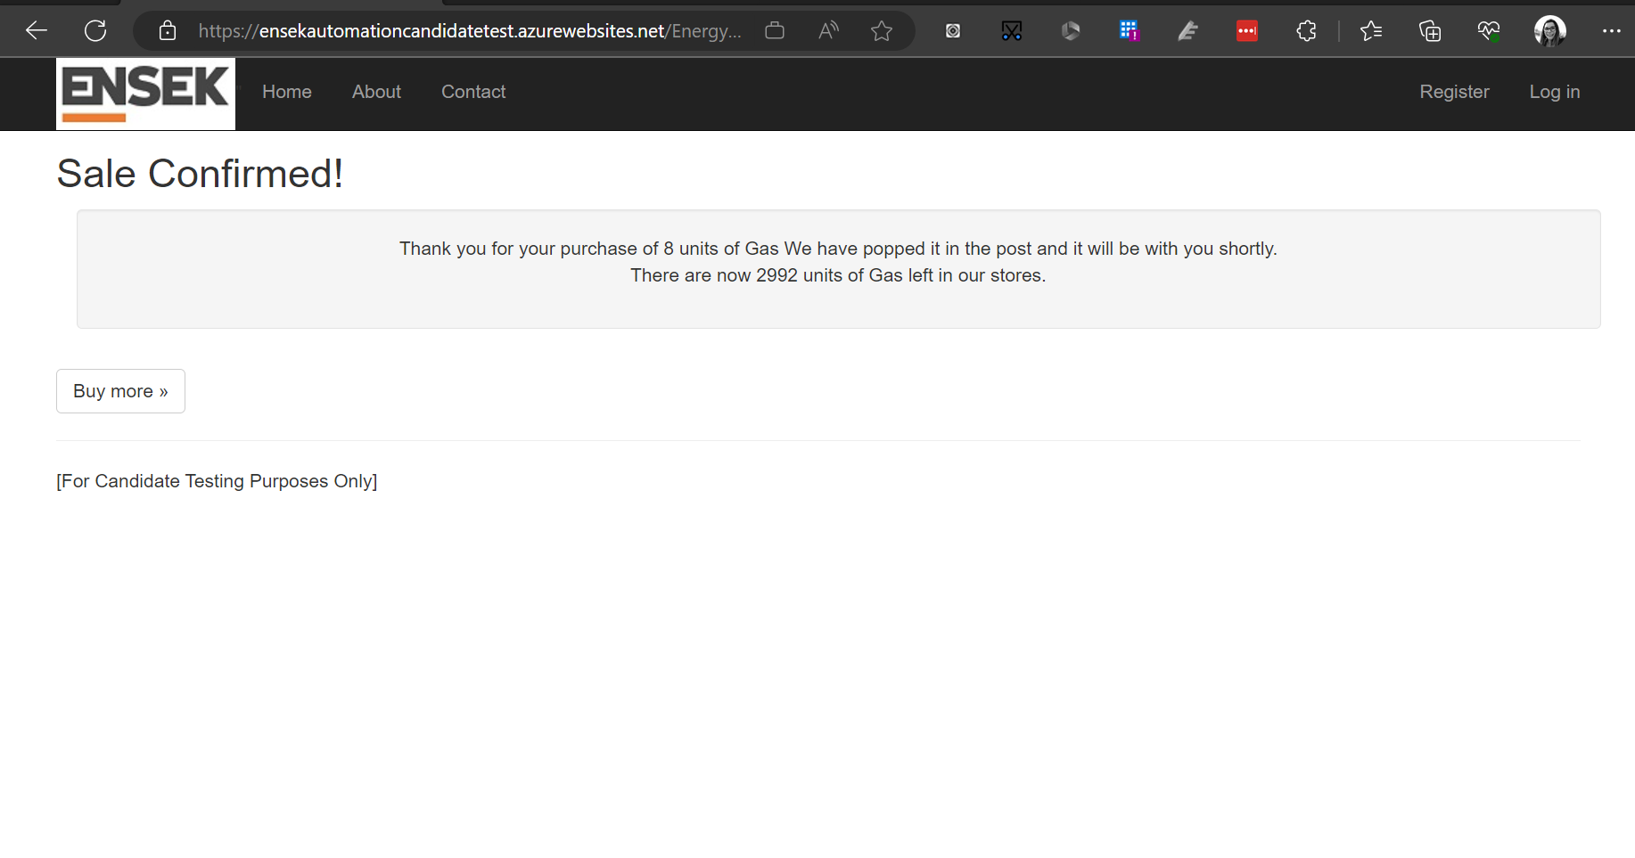
ENSEK Test Case 10
Project |  | ENESK Candidate Site | Test Estimation | 1 Story Points
Author |  | Charlotte Wilson | Test Type | Regression

Test Case |  | User is able to successfully buy gas - remainder values are updated accordingly
Environment |  | https://ensekautomationcandidatetest.azurewebsites.net/

Browsers |  | Chrome and Firefox
Screen Size |  | Full browser and mobile

Test Case Steps

NO. | Step |  | Expected result |  | Result (Pass/Fail) | Defects raised
1 | Access the Buy Energy page |  | User can successfully access page and page content is correct |  | Fail | Defect 1, Defect 2, Defect 3, Defect 4, Defect 5
2 | Enter quantity value of 8 into the quantity field |  | User can successfully enter the value into the field |  | Pass
3 | Select the buy button |  | User is able to select the buy button and is taken to a confirmation page |  | Pass
4 | Confirmation page |  | The confirmation page correctly displays purchased details |  | Fail | Defect 6

Test Evidence

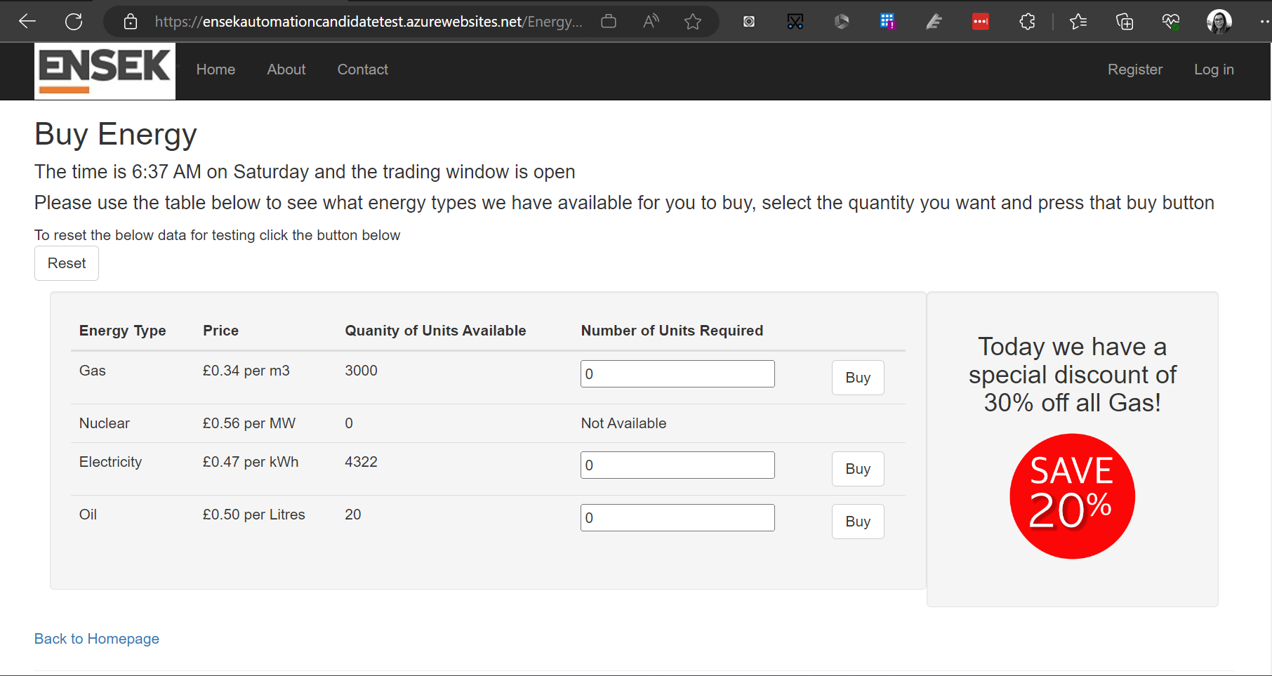
Step 1

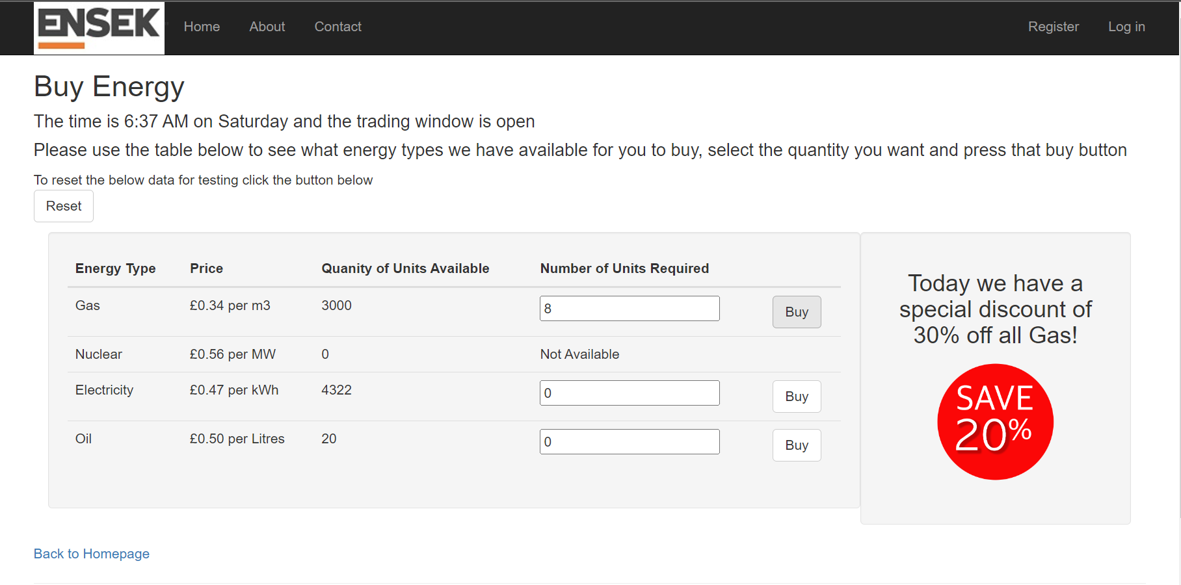
Step 2/3

Step 4

Defect 1

ENSEK Test Defect 1
Project |  | ENESK Candidate Site | Severity | Low
Reporter |  | Charlotte Wilson | Priority | High

Defect |  | User is displayed 2 different discount values on Gas pricing
Environment |  | https://ensekautomationcandidatetest.azurewebsites.net/
Affects |  | Test Case 10 - All screen sizes

Steps to reproduce

NO. | Step |  | Expected result |  | Actual Result
1 | Access the Buy Energy page and view discounts on Gas units |  | User is displayed the correct discount |  | User is displayed 2 different discount prices
2
3

Screenshot

Defect 2
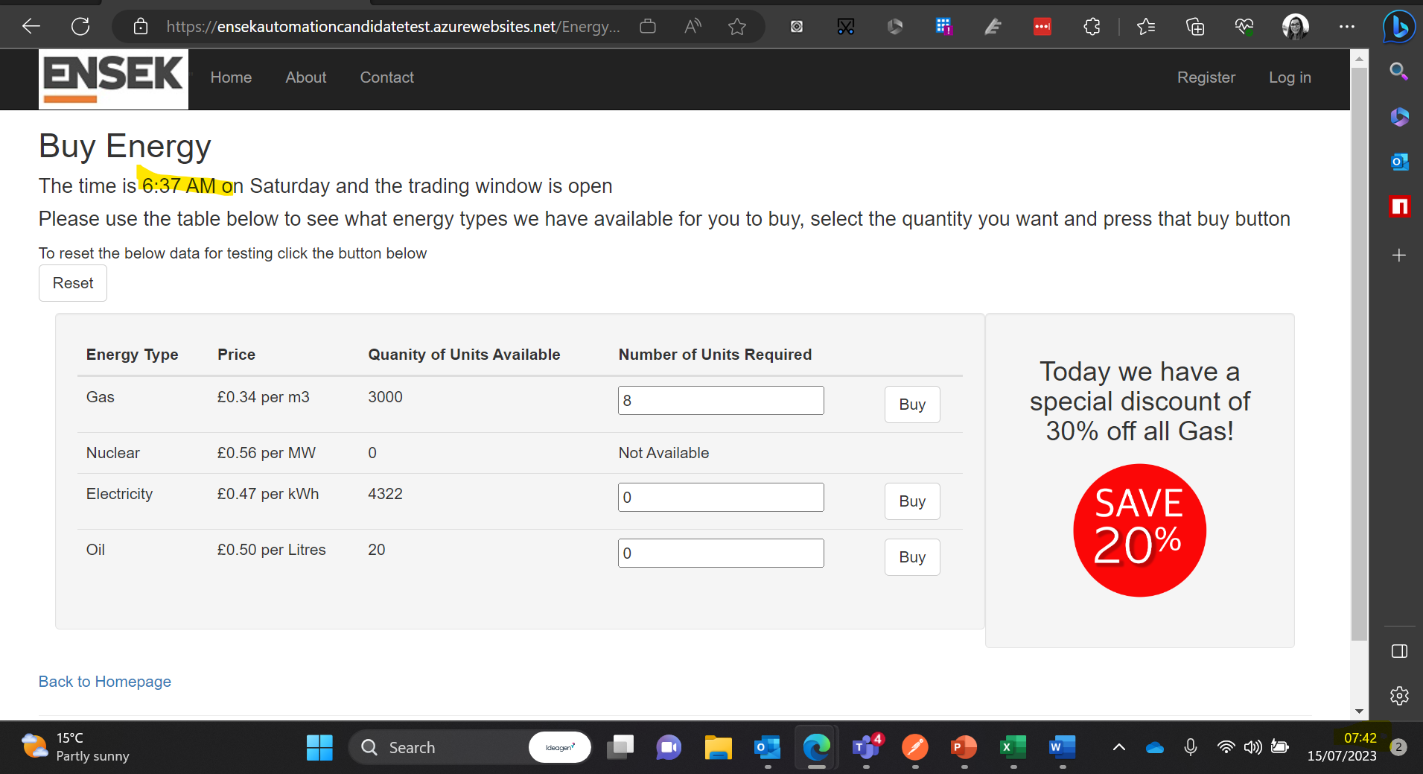
ENSEK Test Defect 1
Project |  | ENESK Candidate Site | Severity | Low
Reporter |  | Charlotte Wilson | Priority | Low

Defect |  | User is displayed incorrect time on buy energy page
Environment |  | https://ensekautomationcandidatetest.azurewebsites.net/
Affects |  | Test Case 10 - All screen sizes

Steps to reproduce

NO. | Step |  | Expected result |  | Actual Result
1 | Access the Buy Energy page and view current time |  | The user should be displayed the current time for their time zone |  | The user is not displayed the current time
2
3

Screenshot

Defect 3
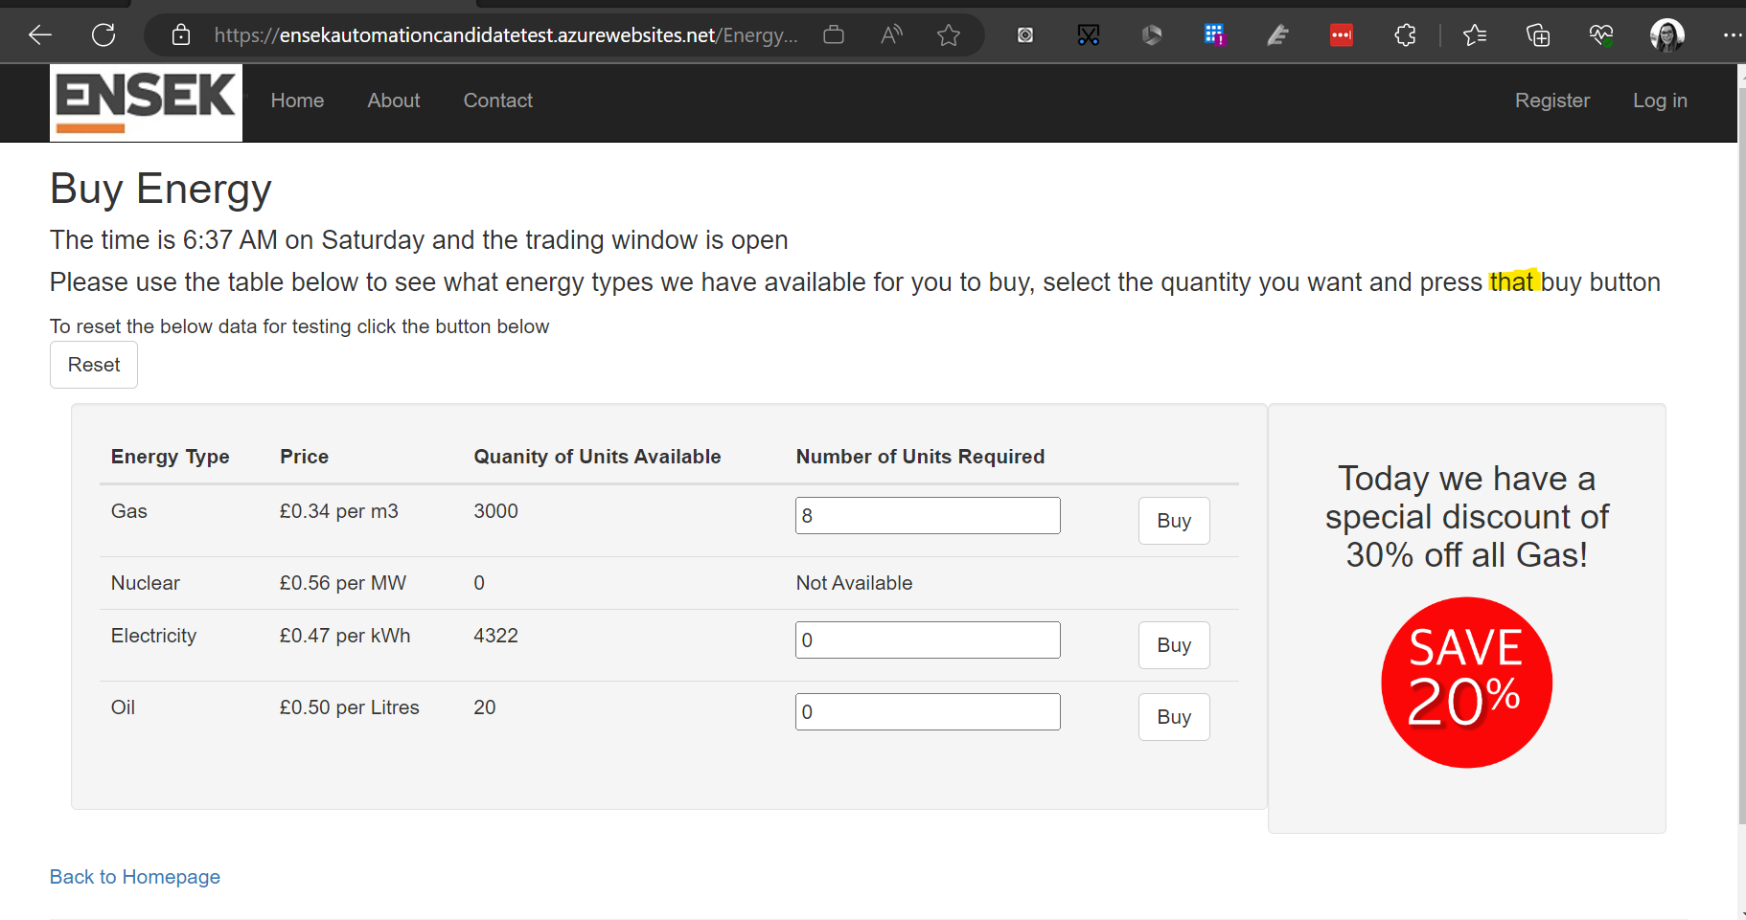
ENSEK Test Defect 1
Project |  | ENESK Candidate Site | Severity | Low
Reporter |  | Charlotte Wilson | Priority | Low

Defect |  | Incorrect grammar in the instructions on the buy energy page
Environment |  | https://ensekautomationcandidatetest.azurewebsites.net/
Affects |  | Test Case 10 - All browser sizes issue

Steps to reproduce

NO. | Step |  | Expected result |  | Actual Result
1 | Access the Buy Energy page and view purchasing instructions |  | The grammar should be correct, in this case it should say "press the buy button" |  | The grammar is state "press that buy button"
2
3

Screenshot

Defect 4
ENSEK Test Defect 1
Project |  | ENESK Candidate Site | Severity | Low
Reporter |  | Charlotte Wilson | Priority | Low

Defect |  | Gas discount box UI is not inline with table
Environment |  | https://ensekautomationcandidatetest.azurewebsites.net/
Affects |  | Test Case 10 - Full size browser issue

Steps to reproduce

NO. | Step |  | Expected result |  | Actual Result
1 | Access the Buy Energy page and view discounts on Gas units |  | User is displayed the discount and the box is in line with the UI |  | The UI is not inline with the remainder of the page
2
3

Screenshot

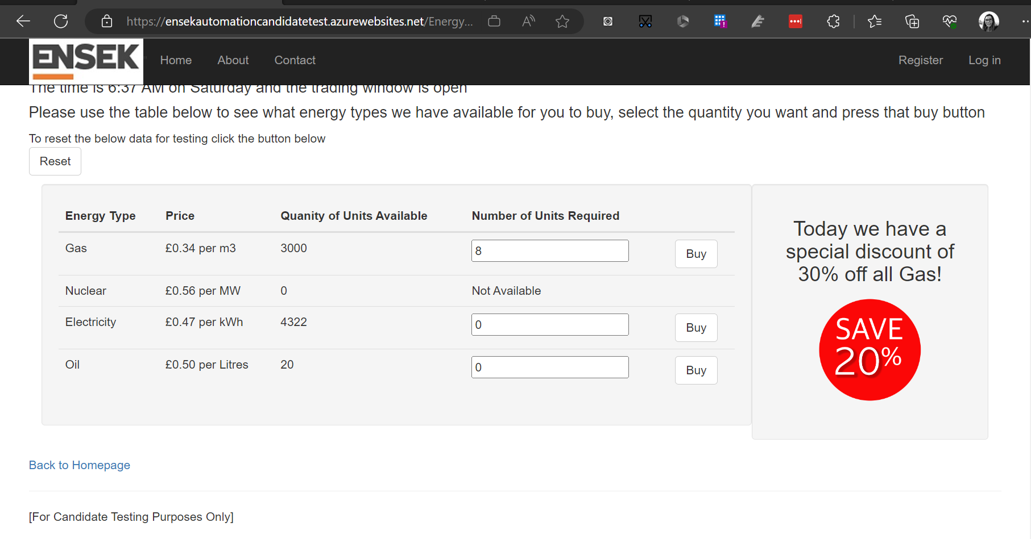

Notes | This issue does not affect mobile screen size

Defect 5
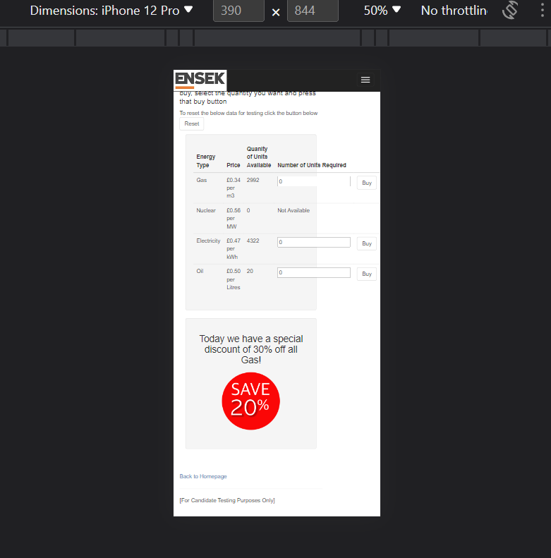
ENSEK Test Defect 1
Project |  | ENESK Candidate Site | Severity | Low
Reporter |  | Charlotte Wilson | Priority | Low

Defect |  | Table to purchase units is not discplayed correctly in mobile responsive view
Environment |  | https://ensekautomationcandidatetest.azurewebsites.net/
Affects |  | Test Case 10 - Mobile responsive view issue

Steps to reproduce

NO. | Step |  | Expected result |  | Actual Result
1 | Access the Buy Energy page and view buy energy table |  | Table UI / background is beneath the full content of the table |  | The UI table background is not covering the full table
2
3

Screenshot

Defect 6
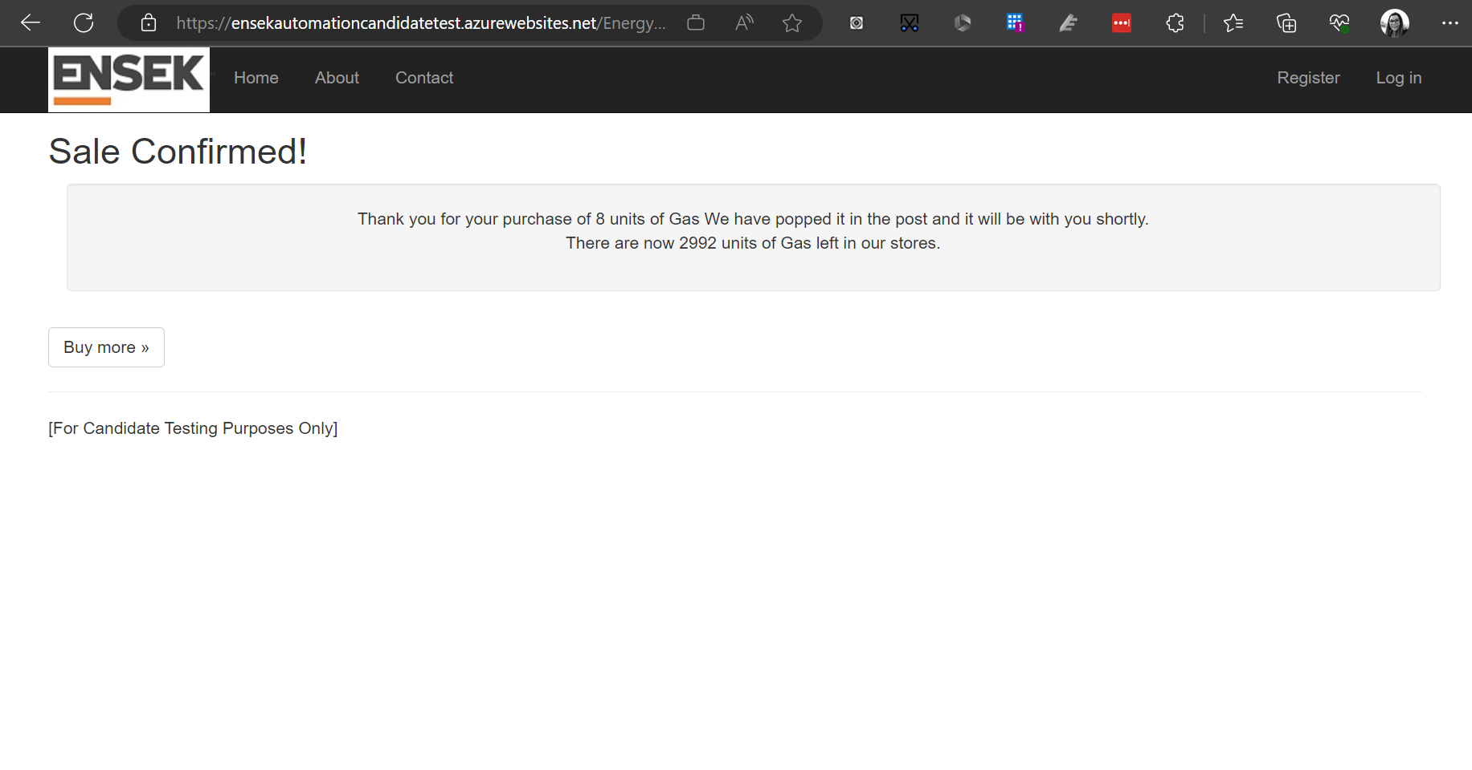
ENSEK Test Defect 1
Project |  | ENESK Candidate Site | Severity | Low
Reporter |  | Charlotte Wilson | Priority | Medium

Defect |  | User is advised they will receive a unit of gas in the post
Environment |  | https://ensekautomationcandidatetest.azurewebsites.net/
Affects |  | Test Case 10

Steps to reproduce

NO. | Step |  | Expected result |  | Actual Result
1 | Access the Buy Energy page and purchase units of gas |  | User is taken to confirmation of sale page
2 | View Sale confirmation details |  | Confirmation details should advise the user how they will receive their purchase |  | User is told that they will receive the units in the post - Gas would not be sent via the post
3

Screenshot

API Defect 1
ENSEK Test Defect 1
Project |  | ENESK Candidate Site | Severity | Meduim
Reporter |  | Charlotte Wilson | Priority | Meduim

Defect |  | User is returned a 500 internal Server Error when attepming to get back a specific order number
Environment |  | https://qacandidatetest.ensek.io
Affects |  | API GET Endpoint- /ENSEK/orders/{orderId}

Steps to reproduce

NO. | Step |  | Expected result |  | Actual Result
1 | Add the order Id to the path vatiable paramters
2 | Enter the GET Url and add a valid order id in the varaible |  | https://qacandidatetest.ensek.io/ENSEK/orders/:orderId
3 | Run the request |  | Status code is 200, OK and order details are returned |  | 500 Inernal Server Error is returned

Screenshot
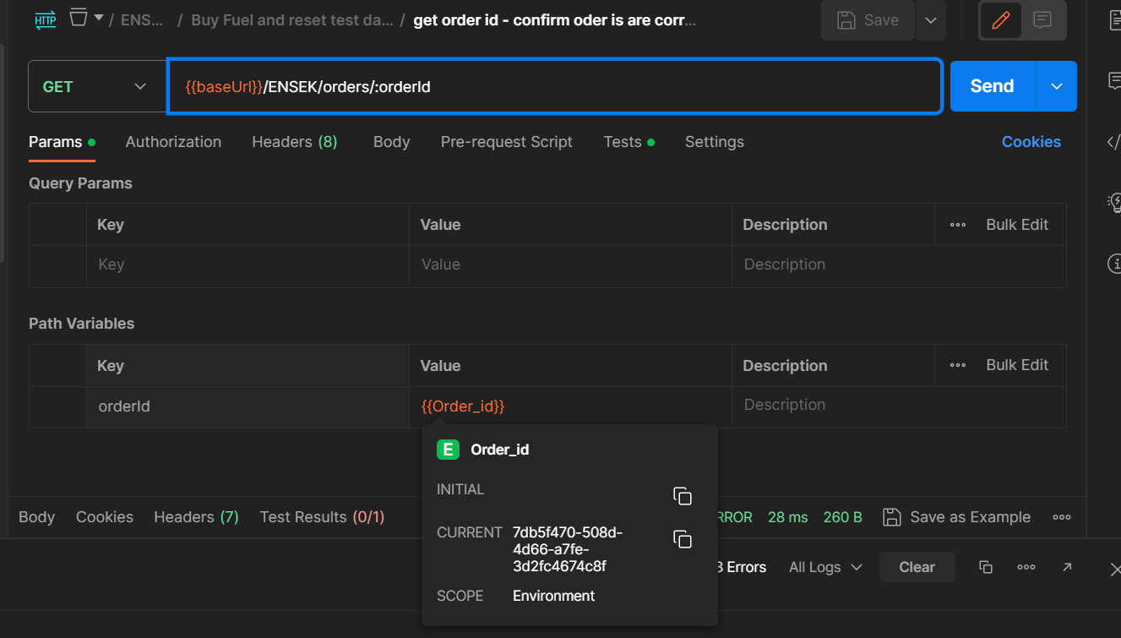
1 and 2

3

API Defect 2
ENSEK Test Defect 1
Project |  | ENESK Candidate Site | Severity | High
Reporter |  | Charlotte Wilson | Priority | High

Defect |  | User is returned a 500 internal Server Error when attepming to delete a specific order number
Environment |  | https://qacandidatetest.ensek.io
Affects |  | API DELETE Endpoint- /ENSEK/orders/{orderId}

Steps to reproduce

NO. | Step |  | Expected result |  | Actual Result
1 | Add the order Id to the path vatiable paramters
2 | Enter the DELETE Url and add a valid order id in the varaible |  | https://qacandidatetest.ensek.io/ENSEK/orders/:orderId
3 | Run the request |  | Status code is 200, Success is returned |  | 500 Inernal Server Error is returned

Screenshot

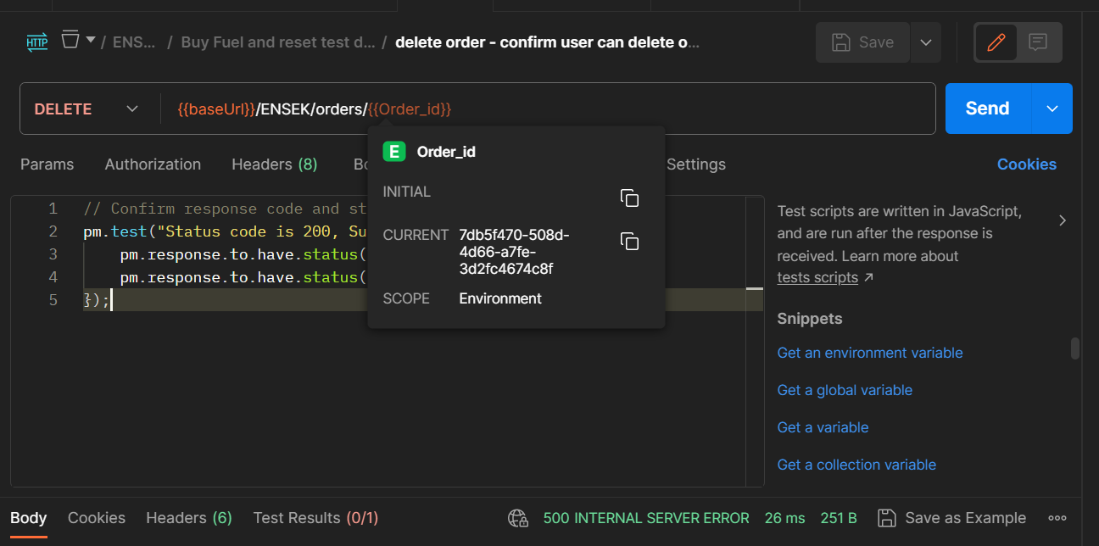
1 and 2

3

